SHEET
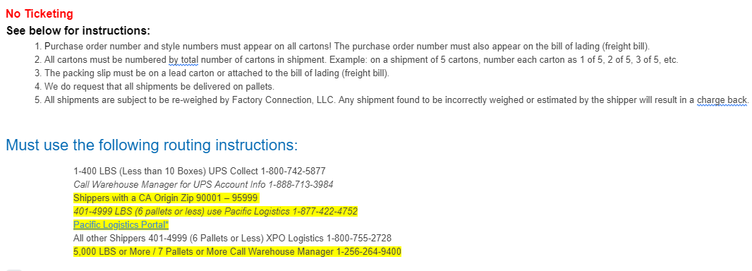
FACTORY CONNECTION

PICK TICKET CHECK LIST |  |  |  | PO# 14697
 |  |  |  | PT# 1754112

TICKETING |  | PRE-TICKETED

ROUTING |  |  |  |  | SHIP VIA: ROUTING

PACKING INSTRUCTIONS:
MARK ALL CTNS WITH WITH CUSTOMER NAME, PO# AND STYLE#
LABEL FORMAT
Purchase Order#:
Style NAME :
Ctn Qty:
Color:
Carton # : 1 of _

STYLE# | COLOR | SUB STYLE | SUB CLR | CUSTOMER STYLE# | QTY
54ARIELAYALA | BKA |  |  | 54ARIELAYALA-BKA | 600
54ARIELAYALA | BKB |  |  | 54ARIELAYALA-BKB | 600
54ARIELAYALA | CGA |  |  | 54ARIELAYALA-CGA | 600
54ARIELAYALA | CGB |  |  | 54ARIELAYALA-CGB | 600
54KATRINAL | BKA |  |  | 54KATRINAL-BKA | 600
54KATRINAL | BKB |  |  | 54KATRINAL-BKB | 600
54KATRINAL | CGA |  |  | 54KATRINAL-CGA | 600
54KATRINAL | CGB |  |  | 54KATRINAL-CGB | 600
54ZOEY12L | NRB |  |  | 54ZOEY12L-NRB | 600
54ZOEY12L | NTA |  |  | 54ZOEY12L-NTA | 600

 |  |  |  | TOTAL | 6,000

INSTRUCTIONS:

